REL_ROAD
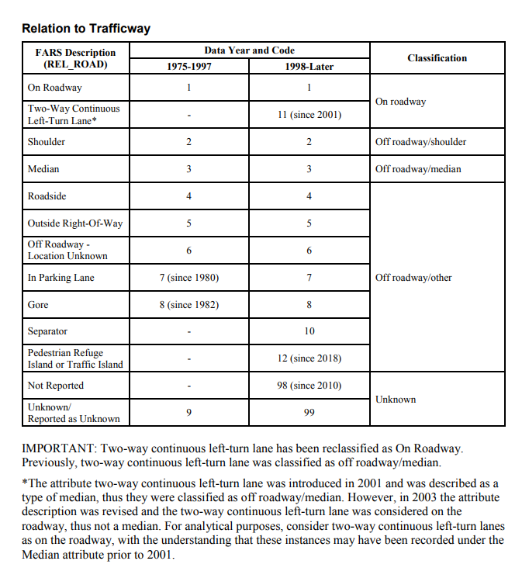

Following this classification from official documentation

Trafficway_Flow
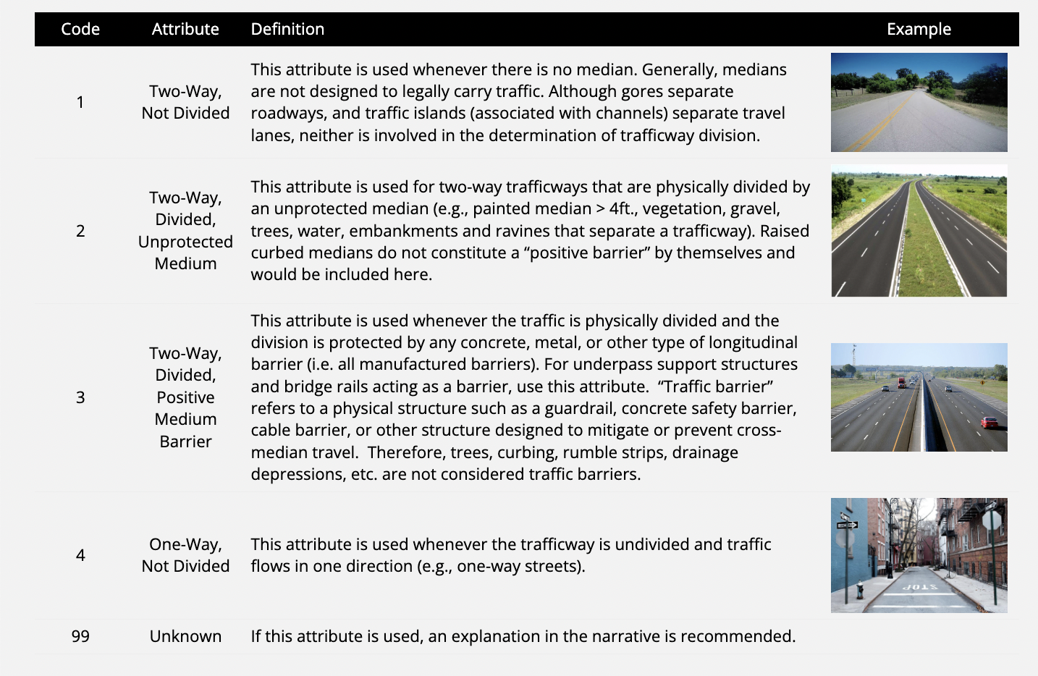
 |  | VTRAFWAY | % | Remark
 |  | 9 | 0.10889
 |  | 8 | 0.69297
 |  | 0 | 0.9652
 |  | 4 | 2.38578
 |  | 6 | 2.90551
 |  | 5 | 8.80562
 |  | 3 | 18.27451
 |  | 2 | 23.37772
 |  | 1 | 42.48379

driveway | private road for vehicles, often connecting a house or garage with a public road
Source | https://masscrashreportmanual.com/crash/trafficway-description/

VPROFILE
VPROFILE | % | Describe | represents the roadway grade prior to this vehicle’s critical precrash event.
9 | 0.18809 | Reported as Unknown
4 | 0.19304 | Sag (Bottom)
0 | 0.9652 | Non-Trafficway or Driveway Access
3 | 1.50473 | Hillcrest
5 | 3.29159 | Uphill
6 | 4.138 | Downhill
2 | 7.85032 | Grade, Unknown Slope
8 | 11.19636 | Not Reported
1 | 70.67267 | Level

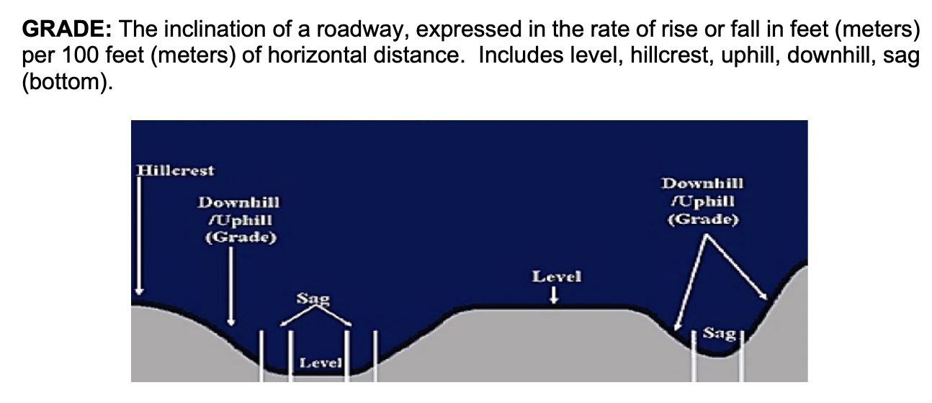

souce: | http://nmtrafficrecords.com/wp-content/uploads/Uniform-Crash-Report-Manual-2019-Final-3-2020.pdf

YC
